Logic-ALV Report
Functionality |  | Need a report with functionality that will allow to edit Address & Contact Details of Businness partner. On Selection screen there should be a dropdown available that will allow to choose between single record edit and multiple records update. Based on selected update mode the fields should be visible to pass input. The success log should be displayed in the form of ALV. On the ALV screen there should be button availble that will print the success log.

Logic for Report
1 | Select the fields from table ZBUT051, ZBUT052 and ZADRC via inner join
2 | On selection screen a dropdown list should be available with two values 1.Single update & 2.Multiple update
3 | By default the 'Single record' should be selected
4 | Multiple records should be availble by passing the excel of change records to program
5 | Fetch the excel data into internal table and update the respective fields of table Note: Ref the Test Data for Upload Tab in Excel Sheet
6 | Only TEL_NUMBER, TEL_EXTENS, SMTP_ADDRESS fields of table ZBUT051 should be editable
7 | XDFADR should be the only editable field from ZBUT052
8 | For ZADRC table NAME1, NAME2, CITY1, CITY2, POST_CODE1, STREET, HOUSE_NUM1, COUNTRY, LANGU, REGION fields should be editable
9 | All table need to update only. No new records should be created
10 | To edit fields of ZBUT051 & ZBUT052 check if input RELNR, PARTNER1, PARTNER2 are already present in records or not
11 | To edit ADRC table's filed first fetch ADDRNUMBER from ZBUT052
12 | For 'Multiple update' option, there should be parameter availble with F4 help to choose the file from local desktop
13 | User should be able to pass file with headr nd without header, create a check box to select if file has header or not
14 | If 'Single update' option is selected then file upload option should not be visible
15 | Single update' input should be via parameter for each field separately
16 | If 'Multiple update' option is selected then all the parameter except file upload option should be invisible
17 | All the success log should be displayed in ALV formate after successful update.
18 | On ALV screen there should be button which will print all success records as Adobeform
19 | standard BACK, LEAVE, EXIT button should work accordingly
20 | Refer screenshots below to design screen, ALV & Adobe form
21 | Display appropriate message whenever required

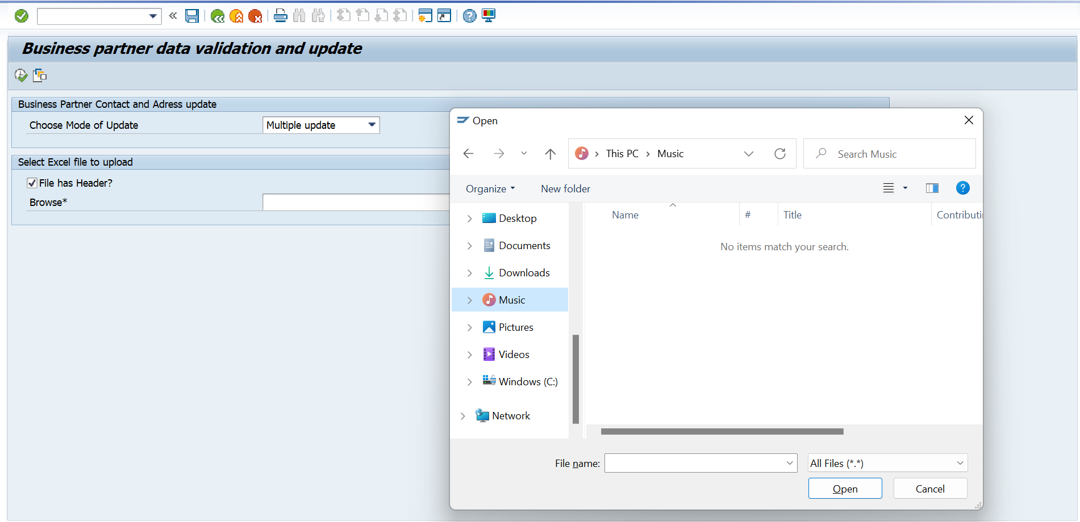
Screenshots | Selection Screen when 'Single update' option is selected {file upload option is invisible} |  |  | Selection Screen when 'Multiple update' option is selected {all other parameters are invisible}
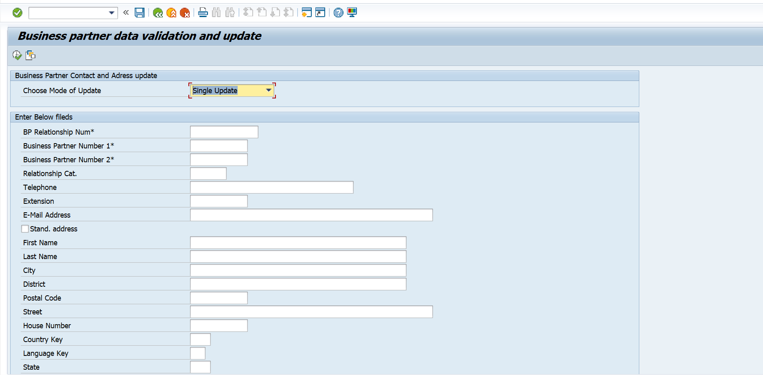

Click on F4 help

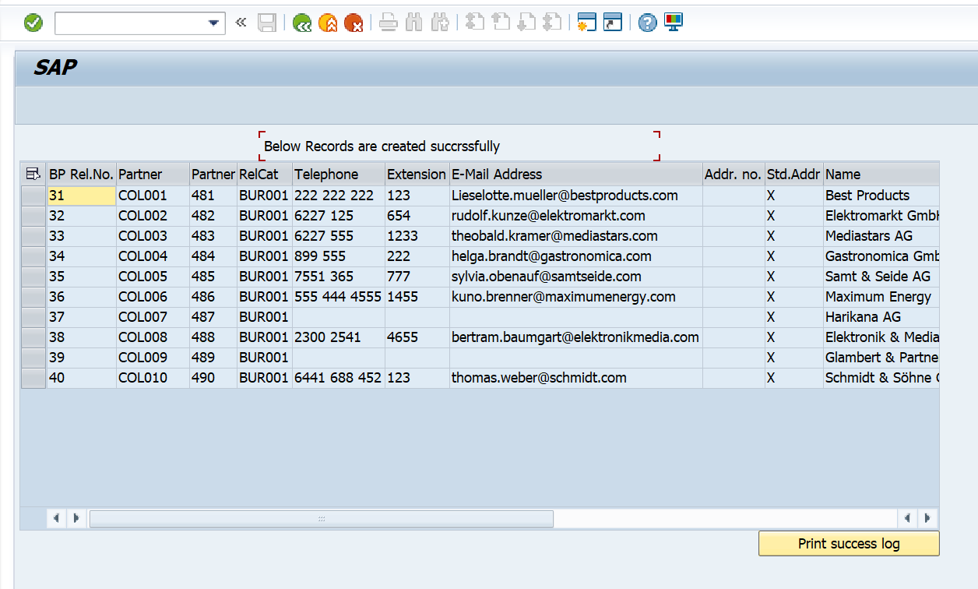
 |  | Success logs ALV
 |  |  | Adobeform
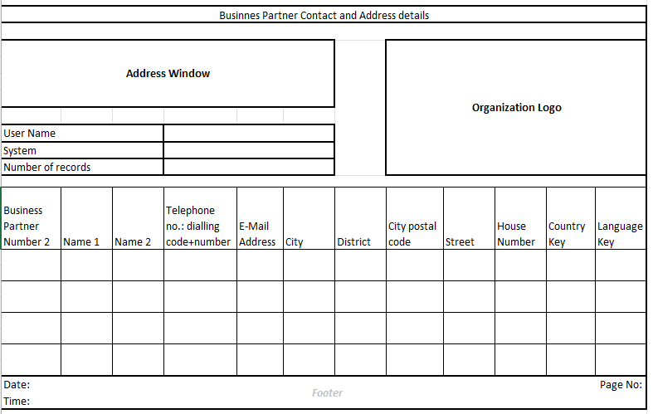

Logic to retrieve data from tables | Select from ( ZBUT051 - RELNR, PARTNER1, PARTNER2, RELTYP, TEL_NUMBER, TEL_EXTENS, SMTP_ADDRESS) INNER JOIN ( ZBUT052 - RELNR, PARTNER1, PARTNER2, ADDRNUMBER, XDFADR) ON ZBUT052~RELNR = ZBUT051~RELNR AND ZBUT052~PARTNER1 = ZBUT051~PARTNER1 AND ZBUT052~PARTNER2 = ZBUT051~PARTNER2 INNER JOIN ( ZADRC - ADDRNUMBER, NAME1, NAME2, CITY1, CITY2, POST_CODE1, STREET, HOUSE_NUM1, COUNTRY, LANGU, REGION ) ON ZADRC~ADDRNUMBER = ZBUT052 - ADDRNUMBER

